Report Sheet
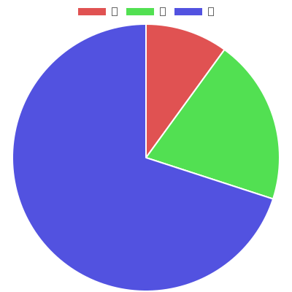
Generated by Pie Generator

